Scenario Tree Model
Scenario Tree for N. Gonorrhoea Surveillance
Gender |  | Presence of Clinicial Signs |  | Health Service Access |  | Health Service |  | Clinician Tests |  | Test Sensitivity |  | Sensitivity of Culture |  | Specimen provided has AST
Branch | Probability | Branch | Probability | Branch | Probability | Branch | Proportion | Branch | Probability | Branch | Probability | Branch | Probability | Branch | Probability | Sensitivity (AMR) |  | Sensitivity of N. Gono
Male | 0.72 | Symptomatic | 0.92860337609 | Yes | 0.99696899119 | GP | 0.71620005754 | Female, GP, Symptom |  | Positive | 0.99501701715 | Positive | 0.91432440099 | Yes | 0.22169127307 | Positive Symptomatic Male | Negative Symptomatic Male | Positive Sym Male | Negative Sym Male
 |  |  |  | No | 0.003031008807 | Community | 0.15299485814 | Yes | 0.97287323886 | Negative | 0.0049829828495 | Negative | 0.029880753433 | No | 0.77830872693 | 0.0901265151 | 0.9098734849 | 0.40654065382 | 0.59345934618 | GP
 |  |  |  |  |  | Sexual Health | 0.12591273032 | No | 0.075146739645 |  |  |  |  |  |  | 0.019497518902 | 0.9805024811 | 0.087948968994 | 0.91205103101 | Community
 |  | Asymptomatic | 0.12584793306 | Yes | 0.52 | Tertiary Care | 0.037253266829 | Female, Community, Symptom |  |  |  |  |  |  |  | 0.016758249696 | 0.9832417503 | 0.075592735176 | 0.92440726482 | Sexual Health Clinc
 |  |  |  | No | 0.48 |  |  | Yes | 0.939177861 |  |  |  |  |  |  | 0.0047901754499 | 0.99520982455 | 0.0216074155 | 0.9783925845 | Tertiary Care
 |  |  |  |  |  |  |  | No | 0.031311790888 |  |  |  |  |  |  | Positive Asymptomatic Male | Negative Asymptomatic Male | Positive Asym Male | Negative Asym Male
Female | 0.28 | Symptomatic | 0.2 | Yes | 0.85271465101 |  |  | Female, Sexual Health, Symptom |  |  |  |  |  |  |  | 0.00030167263135 | 0.99969832737 | 0.001360778109 | 0.99863922189 | GP
 |  |  |  | No | 0.14728534899 |  |  | Yes | 0.99 |  |  |  |  |  |  | 3.5067749125E-05 | 0.99996493225 | 0.0001581828127 | 0.99984181719 | Community
 |  |  |  |  |  |  |  | No | 0.01 |  |  |  |  |  |  | 0.0011496420655 | 0.99885035793 | 0.0051857795284 | 0.99481422047 | Sexual Health Clinc
 |  | Asymptomatic | 0.8 | Yes | 0.65 |  |  | Female, Tertiary, Symptom |  |  |  |  |  |  |  | 8.519495986E-06 | 0.9999914805 | 3.8429550554E-05 | 0.99996157045 | Tertiary Care
 |  |  |  | No | 0.35 |  |  | Yes | 0.98229637538 |  |  |  |  |  |  | Positive Symptomatic Female | Negative Symptomatic Female | Positive Sym Female | Negative Sym Female
 |  |  |  |  |  |  |  | No | 0.011159450907 |  |  |  |  |  |  | 0.0067106065519 | 0.99328939345 | 0.030270052848 | 0.96972994715 | GP
 |  |  |  |  |  |  |  | Female, GP, Asymptomatic |  |  |  |  |  |  |  | 0.0013838717679 | 0.99861612823 | 0.0062423375929 | 0.99375766241 | Community
 |  |  |  |  |  |  |  | Yes | 0.045892522882 |  |  |  |  |  |  | 0.0012005382559 | 0.99879946174 | 0.0054153609172 | 0.99458463908 | Sexual Health Clinc
 |  |  |  |  |  |  |  | No | 0.95410747712 |  |  |  |  |  |  | 0.00035243422179 | 0.99964756578 | 0.0015897523475 | 0.99841024765 | Tertiary Care
 |  |  |  |  |  |  |  | Female, Community, Asymptomatic |  |  |  |  |  |  |  | Positive Asymptomatic Female | Negative Asymptomatic Female | Positive Asym Female | Negative Asym Female
 |  |  |  |  |  |  |  | Yes | 0.027337393786 |  |  |  |  |  |  | 0.00096519947149 | 0.99903480053 | 0.0043538000306 | 0.99564619997 | GP
 |  |  |  |  |  |  |  | No | 0.97266260621 |  |  |  |  |  |  | 0.00012282159548 | 0.9998771784 | 0.00055402088581 | 0.99944597911 | Community
 |  |  |  |  |  |  |  | Female, Sexual Health, Asymptomatic |  |  |  |  |  |  |  | 0.0034649110497 | 0.99653508895 | 0.015629442701 | 0.9843705573 | Sexual Health Clinc
 |  |  |  |  |  |  |  | Yes | 0.93709076486 |  |  |  |  |  |  | 4.9945263318E-05 | 0.99995005474 | 0.00022529196854 | 0.99977470803 | Tertiary Care
 |  |  |  |  |  |  |  | No | 0.062909235141 |  |  |  |  |  |  | Total System |  | Total N. Gono Sensitivity
 |  |  |  |  |  |  |  | Female, Teritary Care, Asymptomatic |  |  |  |  |  |  |  | Total system sensitivity | Complement (probability missed) | Total system sensitivity | Complement (probability missed)
 |  |  |  |  |  |  |  | Yes | 0.045655084751 |  |  |  |  |  |  | 0.14691768927 | 0.85308231073 | 0.66271300278 | 0.33728699722
 |  |  |  |  |  |  |  | No | 0.95434491525
 |  |  |  |  |  |  |  | Male, GP, Symptom
 |  |  |  |  |  |  |  | Yes | 0.93603999576
 |  |  |  |  |  |  |  | No | 0.063960004238
 |  |  |  |  |  |  |  | Male, Community Health, Symptom
 |  |  |  |  |  |  |  | Yes | 0.94793529451
 |  |  |  |  |  |  |  | No | 0.052064705485
 |  |  |  |  |  |  |  | Male, Sexual Health, Symptom
 |  |  |  |  |  |  |  | Yes | 0.99
 |  |  |  |  |  |  |  | No | 0.01
 |  |  |  |  |  |  |  | Male, Tertiary Care, Symptom
 |  |  |  |  |  |  |  | Yes | 0.9564521251
 |  |  |  |  |  |  |  | No | 0.0435478749
 |  |  |  |  |  |  |  | Male, GP, Asymptomatic
 |  |  |  |  |  |  |  | Yes | 0.0443241297
 |  |  |  |  |  |  |  | No | 0.95047597653
 |  |  |  |  |  |  |  | Male, Community Health, Asymptomatic
 |  |  |  |  |  |  |  | Yes | 0.024119578432
 |  |  |  |  |  |  |  | No | 0.97588042157
 |  |  |  |  |  |  |  | Male, Sexual Health, Asymptomatic
 |  |  |  |  |  |  |  | Yes | 0.96079705244
 |  |  |  |  |  |  |  | No | 0.039202947556
 |  |  |  |  |  |  |  | Male, Tertiary Care, Asymptomatic
 |  |  |  |  |  |  |  | Yes | 0.024065129147
 |  |  |  |  |  |  |  | No | 0.97593487085 |  |  |  |  |  | c

Key For Scenario Tree
Excel Requires ModelRisk by Vose
Outputs
Category Node
Infection Node
Detection Node
Estimated parameters use ModelRisk (Vose Software) Distributions
Model is set up by iterative multiplication to produce result.

Gonococcal detection
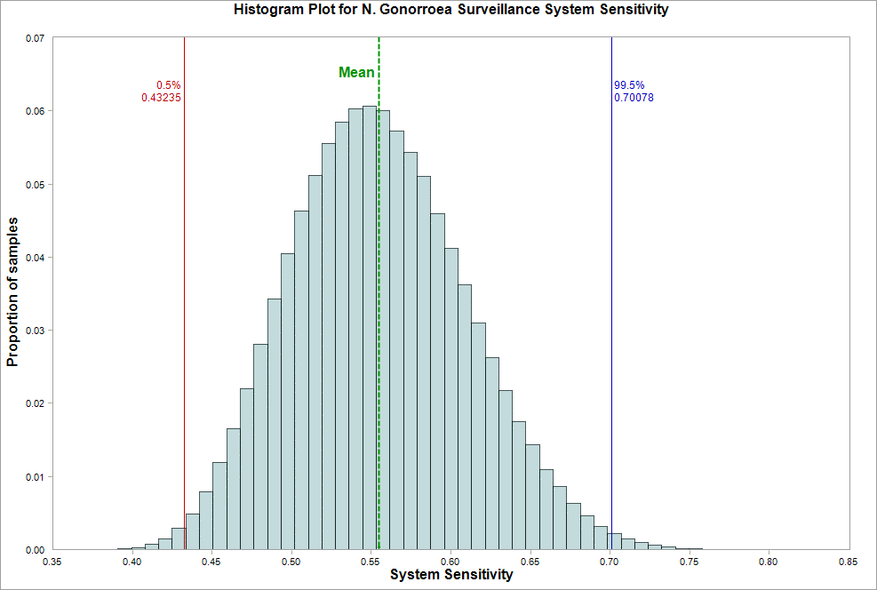

Variable Name | 1. N. Gonorrhoea Surveillance System Sensitivity
Location | [N Gonorrhoea Scenario Tree @Risk.xlsx]N Gonorrhoea Tree'!X$26
Variable Type | Output
Bar begins at | Fraction of samples
0.37378369129 | 0.000003
0.3823251144 | 0.000018
0.39086653752 | 0.000083
0.39940796064 | 0.000274
0.40794938375 | 0.000684
0.41649080687 | 0.001516
0.42503222999 | 0.002951
0.4335736531 | 0.004844
0.44211507622 | 0.007897
0.45065649934 | 0.011956
0.45919792245 | 0.016477
0.46773934557 | 0.021975
0.47628076869 | 0.028083
0.4848221918 | 0.034256
0.49336361492 | 0.040471
0.50190503804 | 0.046325
0.51044646115 | 0.051142
0.51898788427 | 0.055557
0.52752930739 | 0.05843
0.5360707305 | 0.060267
0.54461215362 | 0.06066
0.55315357674 | 0.06001
0.56169499985 | 0.057191
0.57023642297 | 0.05432
0.57877784609 | 0.051029
0.5873192692 | 0.045958
0.59586069232 | 0.041214
0.60440211544 | 0.036185
0.61294353855 | 0.030983
0.62148496167 | 0.026245
0.63002638479 | 0.021748
0.6385678079 | 0.017544
0.64710923102 | 0.014343
0.65565065414 | 0.01099
0.66419207725 | 0.008581
0.67273350037 | 0.006269
0.68127492349 | 0.004621
0.6898163466 | 0.003173
0.69835776972 | 0.002148
0.70689919284 | 0.001421
0.71544061595 | 0.000946
0.72398203907 | 0.00057
0.73252346219 | 0.000317
0.7410648853 | 0.00018
0.74960630842 | 0.000078
0.75814773153 | 0.000033
0.76668915465 | 0.000021
0.77523057777 | 0.000007
0.78377200088 | 0.000005
0.792313424 | 0
0.80085484712 | 0.000001
0.80939627023 | 0

Antibiotic resistance status
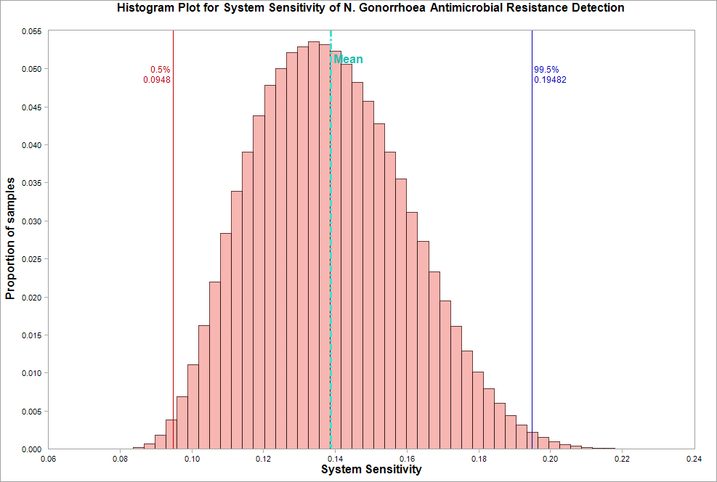

Variable Name | 1. Total system sensitivity
Location | [N Gonorrhoea Scenario Tree @Risk.xlsx]N Gonorrhoea Tree'!V$26
Variable Type | Output
Bar begins at | Fraction of samples
0.077549284943 | 0.000005
0.080599250945 | 0.00004
0.083649216947 | 0.000214
0.086699182949 | 0.000678
0.089749148951 | 0.00179
0.092799114953 | 0.00386
0.095849080956 | 0.006874
0.098899046958 | 0.011055
0.10194901296 | 0.016266
0.10499897896 | 0.021977
0.10804894496 | 0.028369
0.11109891097 | 0.033933
0.11414887697 | 0.039025
0.11719884297 | 0.043875
0.12024880897 | 0.047874
0.12329877497 | 0.050077
0.12634874098 | 0.052124
0.12939870698 | 0.052906
0.13244867298 | 0.053545
0.13549863898 | 0.053182
0.13854860499 | 0.052355
0.14159857099 | 0.050643
0.14464853699 | 0.048187
0.14769850299 | 0.045779
0.15074846899 | 0.042823
0.153798435 | 0.039095
0.156848401 | 0.035524
0.159898367 | 0.031151
0.162948333 | 0.02729
0.165998299 | 0.023276
0.16904826501 | 0.019458
0.17209823101 | 0.016145
0.17514819701 | 0.012908
0.17819816301 | 0.010123
0.18124812901 | 0.007927
0.18429809502 | 0.00603
0.18734806102 | 0.00439
0.19039802702 | 0.00311
0.19344799302 | 0.002226
0.19649795903 | 0.00155
0.19954792503 | 0.000929
0.20259789103 | 0.000555
0.20564785703 | 0.00041
0.20869782303 | 0.000195
0.21174778904 | 0.000133
0.21479775504 | 0.000068
0.21784772104 | 0.000025
0.22089768704 | 0.000019
0.22394765304 | 0.000003
0.22699761905 | 0.000003
0.23004758505 | 0.000001
0.23309755105 | 0

Sensitivity Analysis outputs
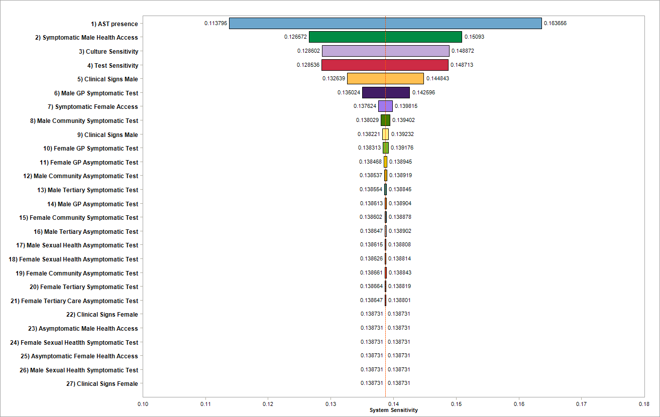

Output Variable: Total system sensitivity ('[N Gonorrhoea Scenario Tree @Risk.xlsx]N Gonorrhoea Tree'!V$26)

Inputs Statistics:
# | Variable Name | Location | Minimum | Maximum
1 | Clinical Signs Female | [N Gonorrhoea Scenario Tree @Risk.xlsx]N Gonorrhoea Tree'!D$13 | 0.1387311227 | 1.39E-01
2 | Clinical Signs Male | [N Gonorrhoea Scenario Tree @Risk.xlsx]N Gonorrhoea Tree'!D$7 | 0.13822138286 | 1.39E-01
3 | Clinical Signs Female | [N Gonorrhoea Scenario Tree @Risk.xlsx]N Gonorrhoea Tree'!D$10 | 0.1387311227 | 1.39E-01
4 | Clinical Signs Male | [N Gonorrhoea Scenario Tree @Risk.xlsx]N Gonorrhoea Tree'!D$4 | 0.13263896413 | 1.45E-01
5 | Female Community Asymptomatic Test | [N Gonorrhoea Scenario Tree @Risk.xlsx]N Gonorrhoea Tree'!J$20 | 0.13866071031 | 1.39E-01
6 | Female Community Symptomatic Test | [N Gonorrhoea Scenario Tree @Risk.xlsx]N Gonorrhoea Tree'!J$8 | 0.13860167466 | 1.39E-01
7 | Female GP Asymptomatic Test | [N Gonorrhoea Scenario Tree @Risk.xlsx]N Gonorrhoea Tree'!J$17 | 0.13846757276 | 1.39E-01
8 | Female GP Symptomatic Test | [N Gonorrhoea Scenario Tree @Risk.xlsx]N Gonorrhoea Tree'!J$5 | 0.13831329465 | 1.39E-01
9 | Female Sexual Health Asymptomatic Test | [N Gonorrhoea Scenario Tree @Risk.xlsx]N Gonorrhoea Tree'!J$23 | 0.13862640253 | 1.39E-01
10 | Female Sexual Heatlth Symptomatic Test | [N Gonorrhoea Scenario Tree @Risk.xlsx]N Gonorrhoea Tree'!J$11 | 0.1387311227 | 1.39E-01
11 | Female Tertiary Care Asymptomatic Test | [N Gonorrhoea Scenario Tree @Risk.xlsx]N Gonorrhoea Tree'!J$26 | 0.13864738843 | 1.39E-01
12 | Female Tertiary Symptomatic Test | [N Gonorrhoea Scenario Tree @Risk.xlsx]N Gonorrhoea Tree'!J$14 | 0.13866443585 | 1.39E-01
13 | Male Community Asymptomatic Test | [N Gonorrhoea Scenario Tree @Risk.xlsx]N Gonorrhoea Tree'!J$44 | 0.13853704658 | 1.39E-01
14 | Male Community Symptomatic Test | [N Gonorrhoea Scenario Tree @Risk.xlsx]N Gonorrhoea Tree'!J$32 | 0.13802931489 | 1.39E-01
15 | Male GP Asymptomatic Test | [N Gonorrhoea Scenario Tree @Risk.xlsx]N Gonorrhoea Tree'!J$41 | 0.13861335426 | 1.39E-01
16 | Male GP Symptomatic Test | [N Gonorrhoea Scenario Tree @Risk.xlsx]N Gonorrhoea Tree'!J$29 | 0.13502358998 | 1.43E-01
17 | Male Sexual Health Asymptomatic Test | [N Gonorrhoea Scenario Tree @Risk.xlsx]N Gonorrhoea Tree'!J$47 | 0.13861533535 | 1.39E-01
18 | Male Sexual Health Symptomatic Test | [N Gonorrhoea Scenario Tree @Risk.xlsx]N Gonorrhoea Tree'!J$35 | 0.1387311227 | 1.39E-01
19 | Male Tertiary Asymptomatic Test | [N Gonorrhoea Scenario Tree @Risk.xlsx]N Gonorrhoea Tree'!J$50 | 0.13864677975 | 1.39E-01
20 | Male Tertiary Symptomatic Test | [N Gonorrhoea Scenario Tree @Risk.xlsx]N Gonorrhoea Tree'!J$38 | 0.13855383184 | 1.39E-01
21 | Culture Sensitivity | [N Gonorrhoea Scenario Tree @Risk.xlsx]N Gonorrhoea Tree'!N$4 | 0.12860247606 | 1.49E-01
22 | Asymptomatic Female Health Access | [N Gonorrhoea Scenario Tree @Risk.xlsx]N Gonorrhoea Tree'!F$13 | 0.1387311227 | 1.39E-01
23 | Asymptomatic Male Health Access | [N Gonorrhoea Scenario Tree @Risk.xlsx]N Gonorrhoea Tree'!F$7 | 0.1387311227 | 1.39E-01
24 | Symptomatic Female Access | [N Gonorrhoea Scenario Tree @Risk.xlsx]N Gonorrhoea Tree'!F$10 | 0.1376237763 | 1.40E-01
25 | Symptomatic Male Health Access | [N Gonorrhoea Scenario Tree @Risk.xlsx]N Gonorrhoea Tree'!F$4 | 0.12657194765 | 1.51E-01
26 | AST presence | [N Gonorrhoea Scenario Tree @Risk.xlsx]N Gonorrhoea Tree'!P$4 | 0.11379479695 | 1.64E-01
27 | Test Sensitivity | [N Gonorrhoea Scenario Tree @Risk.xlsx]N Gonorrhoea Tree'!L$4 | 0.1285357597 | 1.49E-01

